Sheet1
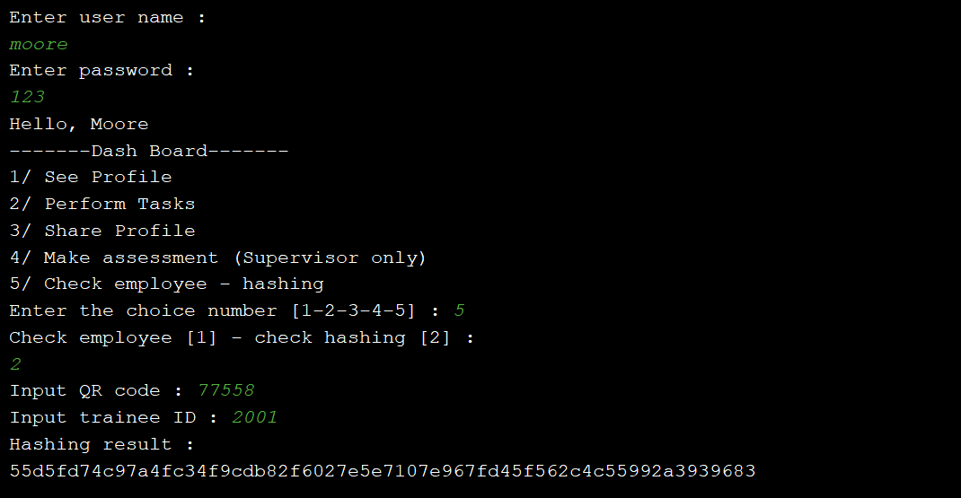
PROJECT NAME |  | App Data Security |  |  | TEST DATA |  | 1.1 (str) userName : moore
MODULE NAME |  | Employe - Hashing cheking |  |  |  |  | 1.2 (str) passwordLogin : 123
 |  |  |  |  |  |  | 2.1 (int) choice : 5 | choice = 2 | 3.2.1 (int) QR_Code : 77558
TEST DESIGNED BY |  | Luu Dieu Co |  |  |  |  | 3.1 (str) check_option : 1 (or 2) |  | 3.2.2 (int) Trainee_ID : 2001
TEST DESIGNED DATE |  | 15/5/2019 |  |  |  | choice = 1 | 3.1.1 (int) ID_Employee : 2001
TEST EXECUTED BY |  | Tran Hoang Chuong |  |  |  |  | 3.1.2 (str) Employee_Name : Moore
TEST EXECUTED DATE |  | 16/5/2019

TEST CASE # | TEST CASE TITLE |  |  | TEST CASE DESCRIPTION |  |  | TEST CASE STEPS | POST CONDITION |  | STATUS
#1 | Application login |  |  | User logs in the application by entering their username and password |  |  | 1.1 Input username | Username and password must be available |  | OK
 |  |  |  |  |  |  | 1.2 Input password
#2 | Functional addressing |  |  | User chooses the checking function |  |  | 2.1 Input choice | Choice should be available (from range 1 - 5) |  | OK

#3 | Functional addressing |  |  | User chooses the employee checking function |  |  | 3.1 Input choice | Choice should be available (from range 1 - 2) |  | OK

#3.1 | Employee checking |  |  | User inputs the ID and name to check the employee |  |  | 3.1.1 Input ID employee | ID and employee name must be correct. Input choice is 1. |  | OK
 |  |  |  |  |  |  | 3.1.2 Input employee name
#3.2 | Hashing checking |  |  | User inputs the ID record and ID trainee to check the employee |  |  | 3.2.1 Input ID record | ID record and ID trainee must be correct. Input choice is 2. |  | OK
 |  |  |  |  |  |  | 3.2.2 Input ID trainee

Expected result #3.1 |  |  | Actual result

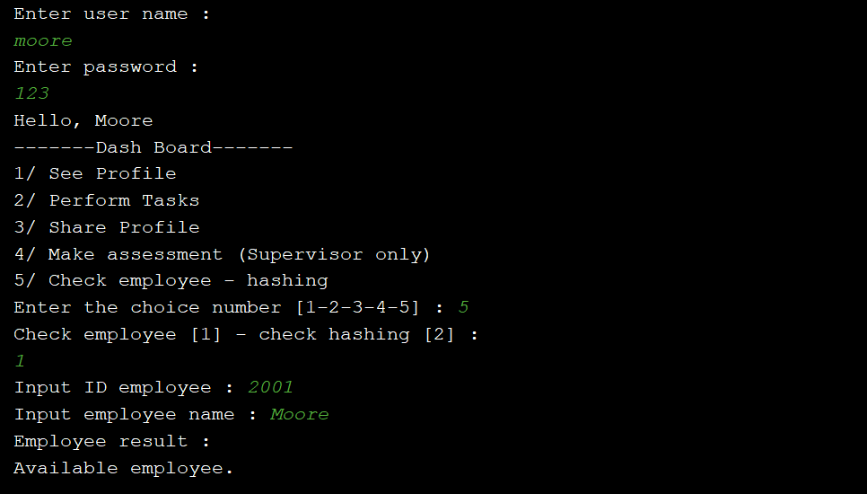
The client interface will print out the line "Available employee"

Expected result #3.2

The client interface will print out the hashing of trainee's record

